Sheet1
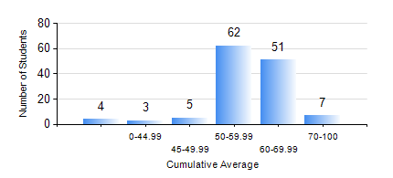
 |  |  | KWAME NKRUMAH UNIVERSITY OF SCIENCE AND TECHNOLOGY, KUMASI Department of Mechanical Engineering

 |  |  | BSC. AUTOMOBILE ENG.

 |  |  | COMPREHENSIVE RECORD OF EXAMINATION RESULTS

 |  |  | RESULTS OF YEAR 1 SECOND SEMESTER, 2020/2021 ACADEMIC YEAR

 | Sn | Course Code |  | Course Name | Credit Hours | Min. Mark | Max. Mark | Avg. Mark | Std. Dev. | No. Passed | No. Trailed | No. (Df) | No. (I) | No. (I*) | No. Tagged(I,I*,Df) | Total
 | 0. |  |  |  |  |  |  | 0 | 0 | 0 | 0 | 0 | 0 | 0 | 0 | 4
 | 1. | EE 152 |  | BASIC ELECTRONICS | 2 | 45 | 90 | 64 | 9.43 | 128 | 0 | 0 | 0 | 0 | 0 | 128
 | 2. | ENGL 158 |  | COMMUNICATION SKILLS II | 2 | 40 | 80 | 62 | 8.51 | 128 | 0 | 0 | 0 | 0 | 0 | 128
 | 3. | MATH 152 |  | CALCULUS WITH ANALYSIS | 4 | 18 | 91 | 48 | 13.53 | 101 | 27 | 0 | 0 | 0 | 0 | 128
 | 4. | ME 160 |  | ENGINEERING DRAWING | 3 | 28 | 81 | 55 | 9.55 | 126 | 1 | 0 | 1 | 0 | 1 | 128
 | 5. | ME 164 |  | STATICS OF SOLID MECHANICS | 2 | 14 | 81 | 48 | 13.09 | 113 | 15 | 0 | 0 | 0 | 0 | 128
 | 6. | ME 172 |  | MEASUREMENT AND INSTRUMENTATION | 2 | 45 | 90 | 71 | 9.12 | 128 | 0 | 0 | 0 | 0 | 0 | 128
 | 7. | ME 266 |  | THERMODYNAMICS | 2 | 30 | 82 | 56 | 10.88 | 121 | 6 | 0 | 0 | 0 | 0 | 127

